Summary and Charts
Statistics | Charts | Trades | Formula | Settings | Symbols | Monte Carlo |  |  |  | 1. Portfolio Equity

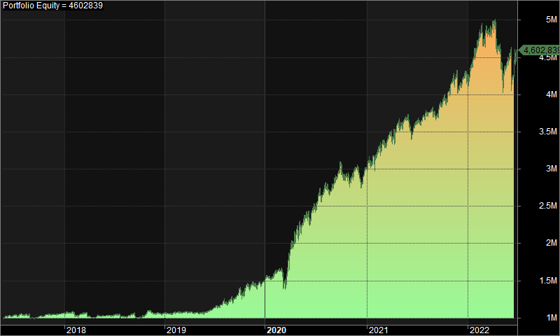
Statistics
 | All trades | Long trades | Short trades
Initial capital | 1000000 | 1000000 | 1000000
Ending capital | 4602839.01 | 1000000 | 4602839.01
Net Profit | 3602839.01 | 0 | 3602839.01
Net Profit % | 360.28% | 0.00% | 360.28%
Exposure % | 4.53% | 0.00% | 4.53%
Net Risk Adjusted Return % | 7950.40% | N/A | 7950.40%
Annual Return % | 34.91% | 0.00% | 34.91%
Risk Adjusted Return % | 770.33% | N/A | 770.33%
Total transaction costs | 1291517.68 | 0 | 1291517.68

All trades | 759 | 0 (0.00 %) | 759 (100.00 %)
Avg. Profit/Loss | 4746.82 | N/A | 4746.82
Avg. Profit/Loss % | 6.07% | N/A | 6.07%
Avg. Bars Held | 118.15 | N/A | 118.15

Winners | 356 (46.90 %) | 0 (0.00 %) | 356 (46.90 %)
Total Profit | 11834642.85 | 0 | 11834642.85
Avg. Profit | 33243.38 | N/A | 33243.38
Avg. Profit % | 42.59% | N/A | 42.59%
Avg. Bars Held | 178.38 | N/A | 178.38
Max. Consecutive | 9 | 0 | 9
Largest win | 292517.78 | 0 | 292517.78
# bars in largest win | 396 | 0 | 396 | 2. Underwater Equity

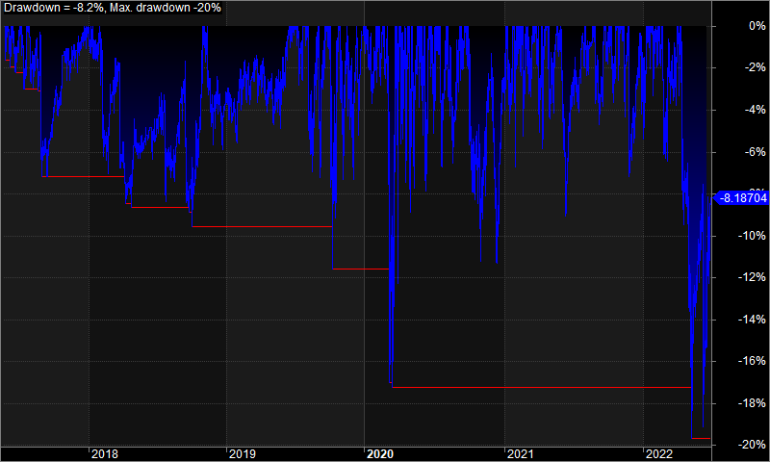
Losers | 403 (53.10 %) | 0 (0.00 %) | 403 (53.10 %)
Total Loss | -8231803.85 | 0 | -8231803.85
Avg. Loss | -20426.31 | N/A | -20426.31
Avg. Loss % | -26.19% | N/A | -26.19%
Avg. Bars Held | 64.94 | N/A | 64.94
Max. Consecutive | 10 | 0 | 10
Largest loss | -496723.12 | 0 | -496723.12
# bars in largest loss | 4 | 0 | 4

Max. trade drawdown | -500358.75 | 0 | -500358.75
Max. trade % drawdown | -98.35 | 0 | -98.35
Max. system drawdown | -986700.85 | 0 | -986700.85
Max. system % drawdown | -19.68% | 0.00% | -19.68%
Recovery Factor | 3.65 | N/A | 3.65
CAR/MaxDD | 1.77 | N/A | 1.77
RAR/MaxDD | 39.14 | N/A | 39.14
Profit Factor | 1.44 | N/A | 1.44
Payoff Ratio | 1.63 | N/A | 1.63
Standard Error | 471855.02 | 0 | 471855.02
Risk-Reward Ratio | 1.74 | N/A | 1.74
Ulcer Index | 4.33 | 0 | 4.33
Ulcer Performance Index | 6.81 | N/A | 6.81
Sharpe Ratio of trades | 1.56 | 0 | 1.56
K-Ratio | 0.01 | N/A | 0.01
 |  |  |  | 3. Profit Table

 |  |  |  | Year | Jan | Feb | Mar | Apr | May | Jun | Jul | Aug | Sep | Oct | Nov | Dec | Yr%
 |  |  |  | 2017 | N/A | N/A | N/A | N/A | 1.30% | 1.70% | 1.40% | -4.30% | 1.80% | 3.00% | 0.10% | 1.80% | 6.80%
 |  |  |  | 2018 | 1.00% | -2.60% | -2.80% | 0.50% | 0.70% | 0.60% | -1.80% | 3.30% | -4.80% | 9.10% | -3.30% | 0.40% | -0.50%
 |  |  |  | 2019 | 0.50% | -0.40% | 1.00% | 0.00% | -0.30% | 5.60% | 8.00% | 4.40% | 9.00% | 4.00% | -0.50% | 3.30% | 39.90%
 |  |  |  | 2020 | 4.40% | 6.70% | 12.30% | 18.30% | 4.10% | 10.80% | 5.00% | 3.60% | 11.10% | -9.30% | 8.90% | -0.70% | 102.30%
 |  |  |  | 2021 | 2.80% | 9.00% | 2.80% | 4.10% | 1.80% | -1.50% | 1.70% | 2.70% | 2.50% | 4.60% | 2.10% | 2.30% | 40.40%
 |  |  |  | 2022 | 7.40% | 3.80% | 2.30% | -4.50% | -3.80% | 3.90% | N/A | N/A | N/A | N/A | N/A | N/A | 8.90%
 |  |  |  | Avg | 3.20% | 3.30% | 3.10% | 3.70% | 0.60% | 3.50% | 2.90% | 1.90% | 3.90% | 2.30% | 1.40% | 1.40%

